Stemware
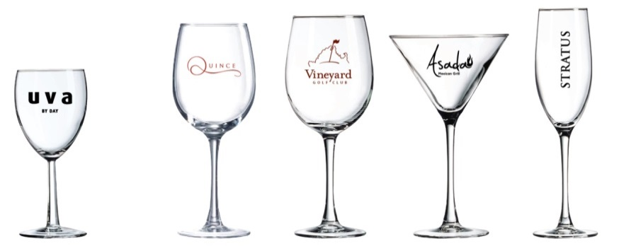
Glass Stemware
U.S. Pricing

Item No. | Description | 24+ | 72+ | 144+ | 288+ | 504+

A8-54502 | Grand Nobless – 8.5 ounce Wine Glass | $3.67 | $3.40 | $2.62 | $2.48 | Call
A16-C3498 | Connoisseur – 16 ounce White Wine | $7.85 | $7.27 | $5.61 | $5.30 | Call
A19-45558 | Connoisseur – 19.25 ounce White Wine | $7.85 | $7.27 | $5.61 | $5.30 | Call
A10-48463 | Connoisseur – 10 ounce Martini | $8.30 | $7.69 | $5.93 | $5.61 | Call
A8-45520 | Connoisseur – 8 ounce Flute | $6.85 | $6.34 | $4.89 | $4.63 | Call
 | Run charge per additional color | $0.63 | $0.63 | $0.63 | $0.63 | Call

 | Price per glass, includes one color imprint on 1 side.
 | Can be printed up to 4 colors.
 | Pad Plate: $52 per color
 | Art proof will be supplied at no charge.
 | Minimum order quantity of 24 glasses.

Pitchers
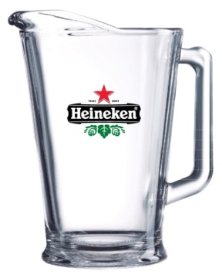
Glass Pitchers
U.S. Pricing

Item No. | Description | 6+ | 12+ | 24+ | 36+ | 48+

A60-C0678 | Pitcher – 60 ounce Pitcher | $22.35 | $20.69 | $15.96 | $15.10 | Call
 | Run charge per additional color | $0.63 | $0.63 | $0.63 | $0.63 | Call

 | Price per glass, includes one color imprint on 1 side.
 | Can be printed up to 4 colors.
 | Pad Plate: $52 per color
 | Art proof will be supplied at no charge.
 | Minimum order quantity of 6 pitchers.

